Indices

 | Iraq Stock Exchange
 | Bulletin No (174)

 | ISX Trading Indices of Wednesday 1/10/2025

 | Traded Volume and OTC |  | 840,793,741 |  | Traded Value and OTC |  | 1,166,402,173 |  | Traders | 882

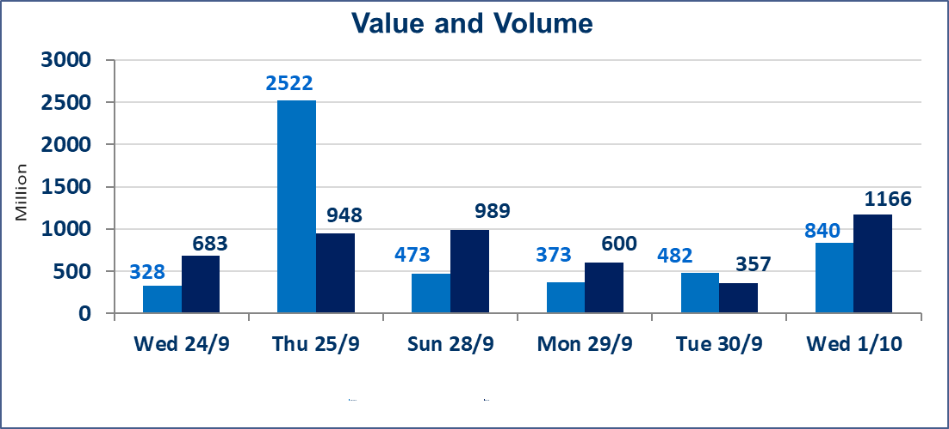
 | ISX Index 60 |  |  | 965.71 | ISX Index 15 |  |  | 1132.49
 | Previous ISX Index60 |  |  | 963.39 | Previous ISX Index15 |  |  | 1126.79
 | Change % |  |  | 0.24 | Change % |  |  | 0.51
 | Change |  |  | 2.32 | Change |  |  | 5.70

 | Listed Companies | 104 | OTC | 11 | Non Traded listed | 41 | OTC | 10
 | Traded Listed Companies | 44 | OTC | 0 | Higher Companies |  |  | 20
 | GAM Companies |  |  | 9 | Lower Companies |  |  | 9
 | Suspended Companies |  |  | 10
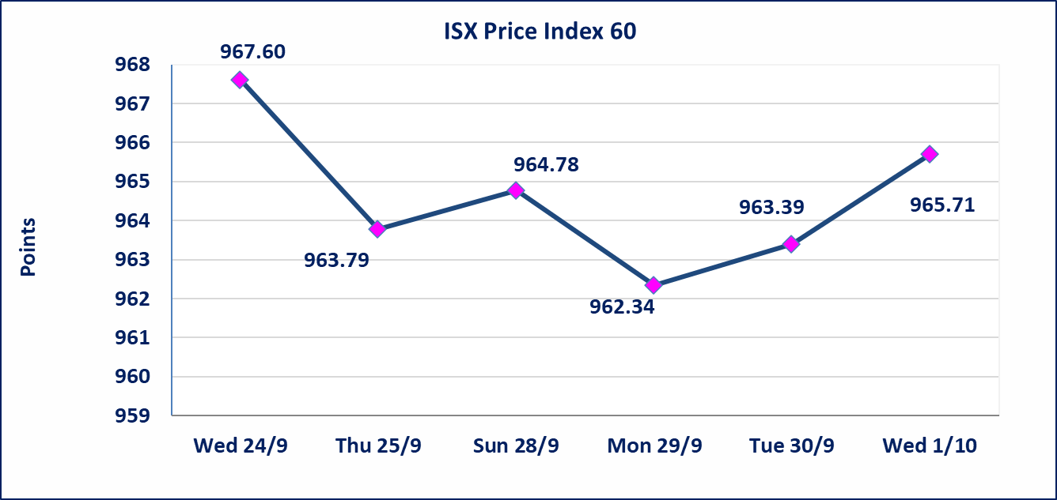
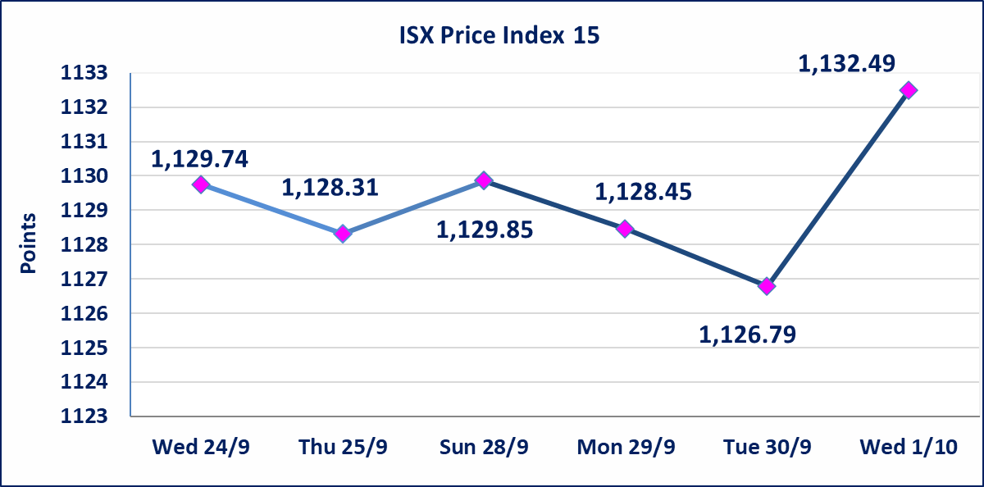

Al-Alwiya P.O . 3607 Mobile: 07711211522 - 07270094594 - 07834000034 E-mail: info-isx@isx-iq.net Web site:www.isx-iq.net

Top 5
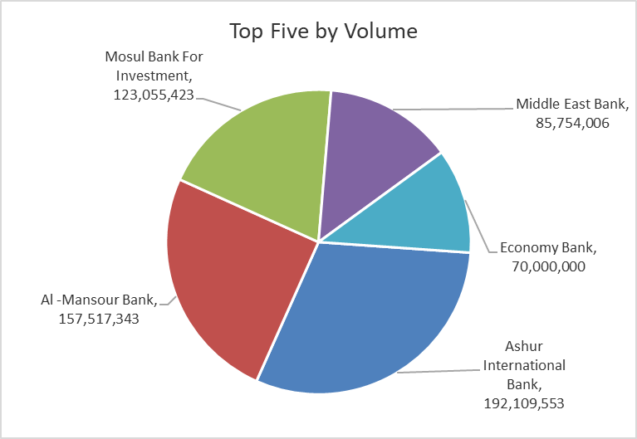
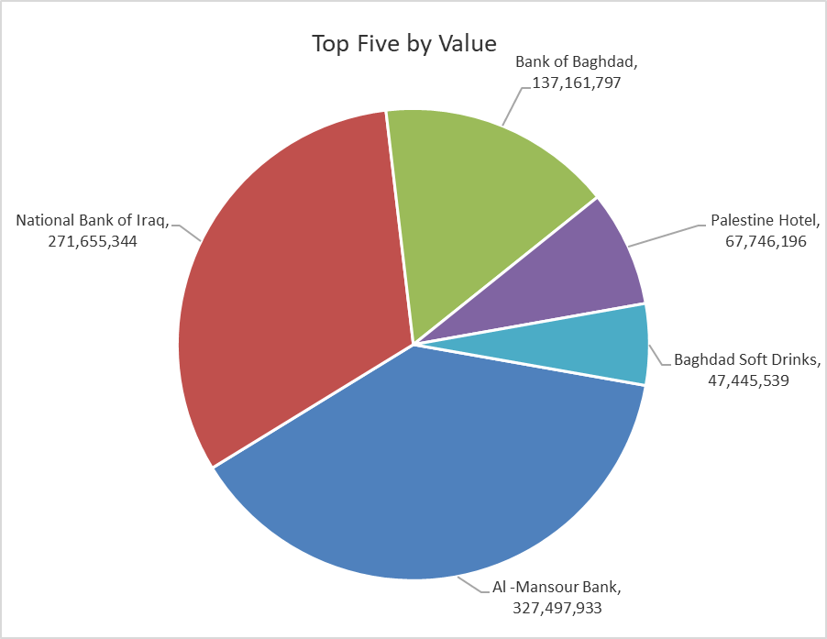
ISX top ganing and losing companies
Wednesday 1/10/2025
Gainers |  |  |  | Losers
Company Name | Closing Price | Change (%) | Traded Volume | Company Name | Closing Price | Change (%) | Traded Volume
Ashur International Bank | 0.260 | 13.04 | 192,109,553 | Al-Taif Islamic Bank | 0.750 | -6.25 | 201,773
Mosul Bank For Investment | 0.170 | 6.25 | 123,055,423 | National for Tourist Investment | 10.500 | -4.11 | 64,072
Palestine Hotel | 28.110 | 4.97 | 2,410,039 | Economy Bank | 0.240 | -4.00 | 70,000,000
Ready Made Clothes | 2.150 | 4.88 | 435,165 | Iraqi Carton Manufactories | 1.130 | -1.74 | 147,999
Al-Sadeer Hotel | 24.100 | 4.78 | 654,266 | Electronic Industry | 1.150 | -1.71 | 546,218

The most active companies in term of traded volume and value

Traded Volume |  |  |  | Traded Value
Company Name | Closing Price | Change (%) | Traded Volume | Company Name | Closing Price | Change (%) | Traded Value
Ashur International Bank | 0.260 | 13.04 | 192,109,553 | Al -Mansour Bank | 2.080 | 0.48 | 327,497,933
Al -Mansour Bank | 2.080 | 0.48 | 157,517,343 | National Bank of Iraq | 4.100 | 2.50 | 271,655,344
Mosul Bank For Investment | 0.170 | 6.25 | 123,055,423 | Bank of Baghdad | 3.630 | 0.28 | 137,161,797
Middle East Bank | 0.070 | 0.00 | 85,754,006 | Palestine Hotel | 28.110 | 4.97 | 67,746,196
Economy Bank | 0.240 | -4.00 | 70,000,000 | Baghdad Soft Drinks | 4.700 | 0.21 | 47,445,539

Non Iraqis

Iraq Stock Exchange
Non Iraqis' Bulletin Wednesday Oct 1 2025
Regular Market

Non Iraqi Trading of Regular Market (Buy)
Company Names | Code | No.of trades | Traded Shares | Trading Volume
Banks Sector
Bank Of Baghdad | BBOB | 2 | 35,000 | 126,350
National Bank Of Iraq | BNOI | 20 | 25,534,706 | 103,795,528
Al-Mansour Bank | BMNS | 28 | 125,000,000 | 259,965,761
Total Bank sector |  | 50 | 150,569,706 | 363,887,640
Grand Total |  | 50 | 150569706 | 363887640

Non Iraqi Trading of Regular Market (Sell)
Company Names | Code | No.of trades | Traded Shares | Trading Volume
Banks Sector
Al-Mansour Bank | BMNS | 20 | 80,000,000 | 166,400,000
Total Bank sector |  | 20 | 80,000,000 | 166,400,000
Grand Total |  | 20 | 80000000 | 166400000

Non Iraqi Trading of Second Market (Sell)
Company Names | Code | No.of trades | Traded Shares | Trading Volume
Industry sector
Fallujah for Construction Materials | IFCM | 11 | 4,000,000 | 12,803,500
Total Industry sector |  | 11 | 4,000,000 | 12,803,500
Grand Total |  | 11 | 4000000 | 12803500

